Function ID0~98
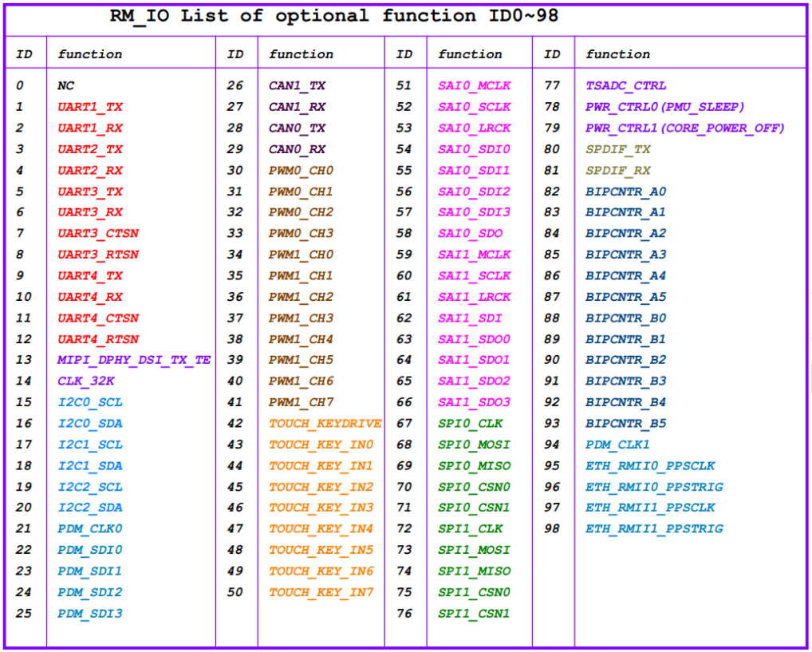
Note1:RK3506的RM_IO是IO矩阵，RM_IOn（n=0~31）可以从 function IDn（n=0~98）任选其中一个功能，并且 function IDn（n=0~98）的每个功能，只能映射于其中一个 RM_IOn（n=0~31）。

